Figure 1
Date | Annual Snow Water Equivalent @ Little Elbow SW(mm) | Percentile
1995 | 215 | 56
2005 | 199 | 43
2008 | 188 | 34
2011 | 163 | 18
2013 | 235 | 65

Percentile | Snow Water Equivalent (mm)
10 | 140 | 140 | 140 | 140 | 140
20 | 170.2 | 170.2 | 170.2 | 170.2 | 170.2
30 | 184.6 | 184.6 | 184.6 | 184.6 | 184.6
40 | 196.6 | 196.6 | 196.6 | 196.6 | 196.6
50 | 202 | 202 | 202 | 202 | 202
60 | 223.6 | 223.6 | 223.6 | 223.6 | 223.6
70 | 255.8 | 255.8 | 255.8 | 255.8 | 255.8
80 | 273.8 | 273.8 | 273.8 | 273.8 | 273.8
90 | 291.8 | 291.8 | 291.8 | 291.8 | 291.8

Flood Events and Corresponding Annual Snow Water Equivalents with Percentiles

Figure 2
Date | Annual Snow Water Equivalent @ Little Elbow SW (MM) | Annual Peak Discharge (M3/S) |  |  |  |  |  |  |  | 90
1986 | 290 | 57.2 |  |  |  |  |  |  |  | 291.8
1987 | 292 | 26.5 |  |  |  |  |  |  |  | 291.8
1990 | 293 | 172 |  |  |  |  |  |  |  | 291.8
1991 | 295 | 47.2 |  |  |  |  |  |  |  | 291.8
1996 | 294 | 48.4 |  |  |  |  |  |  |  | 291.8
1999 | 269 | 53.7 |  |  |  |  |  |  |  | 291.8
2006 | 265 | 97.9 |  |  |  |  |  |  |  | 291.8
2012 | 277 | 110 |  |  |  |  |  |  |  | 291.8
2018 | 291 | 66.8 |  |  |  |  |  |  |  | 291.8

Percentile | Snow Water Equivalent (mm)
10 | 140 | 140 | 140 | 140 | 140 | 140 | 140 | 140 | 140
20 | 170.2 | 170.2 | 170.2 | 170.2 | 170.2 | 170.2 | 170.2 | 170.2 | 170.2
30 | 184.6 | 184.6 | 184.6 | 184.6 | 184.6 | 184.6 | 184.6 | 184.6 | 184.6
40 | 196.6 | 196.6 | 196.6 | 196.6 | 196.6 | 196.6 | 196.6 | 196.6 | 196.6
50 | 202 | 202 | 202 | 202 | 202 | 202 | 202 | 202 | 202
60 | 223.6 | 223.6 | 223.6 | 223.6 | 223.6 | 223.6 | 223.6 | 223.6 | 223.6
70 | 255.8 | 255.8 | 255.8 | 255.8 | 255.8 | 255.8 | 255.8 | 255.8 | 255.8
80 | 273.8 | 273.8 | 273.8 | 273.8 | 273.8 | 273.8 | 273.8 | 273.8 | 273.8
90 | 291.8 | 291.8 | 291.8 | 291.8 | 291.8 | 291.8 | 291.8 | 291.8 | 291.8

Snowpacks Greater than the 75 Percentile (265 mm) and Corresponding Annual Peak Discharge

Little Elbow Snowpack Data
Statistical Information Years of Record | 13 |  |  |  |  | 34
Percent of Average |  |  |  |  |  | 123 |  |  | 146
Average |  |  |  |  |  | 295 |  |  | 296
 |  |  |  |  |  |  |  | AT Return Period |  |  |  |  | Screen capture from AEP WISKI - Snow Course Rankings Report: | additions shown in yellow
River | Station | Station Number | Elevation | Type | Date | Snow Water Equivalent (mm) | AEP data | from X327 pdf 48-49 | JF percentiles |  | Percentile | Column1
Bow River | Little Elbow Summit | 05BJ805 | 2120 | SW | 1984 | 195 |  |  | 10 | 63 | 1 | 90.24
Bow River | Little Elbow Summit | 05BJ805 | 2120 | SW | 1986 | 290 | 427 | 1:2 | 20 | 179 | 2 | 108.48
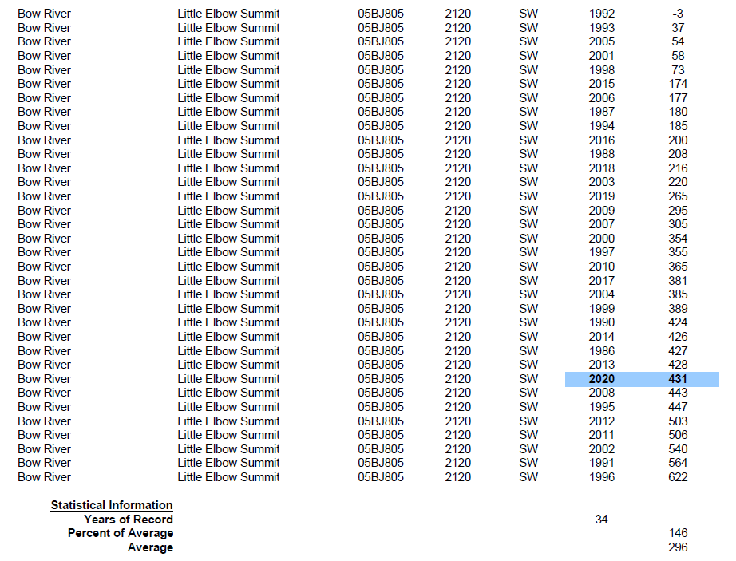
Bow River | Little Elbow Summit | 05BJ805 | 2120 | SW | 1987 | 292 | 180 | 1:2 | 30 | 207 | 3 | 126.72
Bow River | Little Elbow Summit | 05BJ805 | 2120 | SW | 1988 | 139 | 208 |  | 40 | 271 | 4 | 131.8
Bow River | Little Elbow Summit | 05BJ805 | 2120 | SW | 1989 | 257 |  |  | 50 | 355 | 5 | 135
Bow River | Little Elbow Summit | 05BJ805 | 2120 | SW | 1990 | 293 | 424 | 1:5 | 60 | 384 | 6 | 138.2
Bow River | Little Elbow Summit | 05BJ805 | 2120 | SW | 1991 | 295 | 564 | 1:2 | 70 | 426 | 7 | 139
Bow River | Little Elbow Summit | 05BJ805 | 2120 | SW | 1992 | 181 | -3 |  | 80 | 436 | 8 | 139
Bow River | Little Elbow Summit | 05BJ805 | 2120 | SW | 1993 | 129 | 37 |  | 90 | 505 | 9 | 139
Bow River | Little Elbow Summit | 05BJ805 | 2120 | SW | 1994 | 202 | 185 |  | Max | 622 | 10 | 140
Bow River | Little Elbow Summit | 05BJ805 | 2120 | SW | 1995 | 215 | 447 | 1:10 | Min | -3 | 11 | 141.6
Bow River | Little Elbow Summit | 05BJ805 | 2120 | SW | 1996 | 294 | 622 | 1:2 | Average | 313 | 12 | 143.2
Bow River | Little Elbow Summit | 05BJ805 | 2120 | SW | 1997 | 255 | 355 |  |  |  | 13 | 144.16
Bow River | Little Elbow Summit | 05BJ805 | 2120 | SW | 1998 | 183 | 73 |  |  |  | 14 | 144.48
Bow River | Little Elbow Summit | 05BJ805 | 2120 | SW | 1999 | 269 | 389 | 1:2 |  |  | 15 | 144.8
Bow River | Little Elbow Summit | 05BJ805 | 2120 | SW | 2001 | 72 | 58 |  |  |  | 16 | 147.16
Bow River | Little Elbow Summit | 05BJ805 | 2120 | SW | 2002 | 226 | 540 |  |  |  | 17 | 152.92
Bow River | Little Elbow Summit | 05BJ805 | 2120 | SW | 2003 | 145 | 220 |  |  |  | 18 | 158.68
Bow River | Little Elbow Summit | 05BJ805 | 2120 | SW | 2004 | 185 | 385 |  |  |  | 19 | 164.44
Bow River | Little Elbow Summit | 05BJ805 | 2120 | SW | 2005 | 199 | 54 | 1:10 |  |  | 20 | 170.2
Bow River | Little Elbow Summit | 05BJ805 | 2120 | SW | 2006 | 265 | 177 | 1:5 |  |  | 21 | 175.96
Bow River | Little Elbow Summit | 05BJ805 | 2120 | SW | 2007 | 197 | 305 |  |  |  | 22 | 181.08
Bow River | Little Elbow Summit | 05BJ805 | 2120 | SW | 2008 | 188 | 443 | 1:5 |  |  | 23 | 181.72
Bow River | Little Elbow Summit | 05BJ805 | 2120 | SW | 2009 | 139 | 295 |  |  |  | 24 | 182.36
Bow River | Little Elbow Summit | 05BJ805 | 2120 | SW | 2010 | 207 | 365 |  |  |  | 25 | 183
Bow River | Little Elbow Summit | 05BJ805 | 2120 | SW | 2011 | 163 | 506 | 1:5 |  |  | 26 | 183.32
Bow River | Little Elbow Summit | 05BJ805 | 2120 | SW | 2012 | 277 | 503 | 1:10 |  |  | 27 | 183.64
Bow River | Little Elbow Summit | 05BJ805 | 2120 | SW | 2013 | 235 | 428 | 1:220 |  |  | 28 | 183.96
Bow River | Little Elbow Summit | 05BJ805 | 2120 | SW | 2014 | 223 | 426 |  |  |  | 29 | 184.28
Bow River | Little Elbow Summit | 05BJ805 | 2120 | SW | 2015 | 144 | 174 |  |  |  | 30 | 184.6
Bow River | Little Elbow Summit | 05BJ805 | 2120 | SW | 2016 | 202 | 200 |  |  |  | 31 | 184.92
Bow River | Little Elbow Summit | 05BJ805 | 2120 | SW | 2017 | 184 | 381 |  |  |  | 32 | 185.72
Bow River | Little Elbow Summit | 05BJ805 | 2120 | SW | 2018 | 291 | 216 | 1:2 |  |  | 33 | 186.68
 |  |  |  |  | 2019 | -- | 265 |  |  |  | 34 | 187.64
 |  |  |  |  | 2000 | -- | 354 |  |  |  | 35 | 189.4
 |  |  |  |  | 2020 | -- | 431 |  |  |  | 36 | 191.64
 |  |  |  |  |  |  |  |  |  |  | 37 | 193.88
 |  |  |  |  |  |  |  |  |  |  | 38 | 195.32
 |  |  |  |  |  |  |  |  |  |  | 39 | 195.96
 |  |  |  |  |  |  |  |  |  |  | 40 | 196.6
 |  |  |  |  |  |  |  |  |  |  | 41 | 197.24
 |  |  |  |  |  |  |  |  |  |  | 42 | 197.88
 |  |  |  |  |  |  |  |  |  |  | 43 | 198.52
 |  |  |  |  |  |  |  |  |  |  | 44 | 199.24
 |  |  |  |  |  |  |  |  |  |  | 45 | 200.2
 |  |  |  |  |  |  |  |  |  |  | 46 | 201.16
 |  |  |  |  |  |  |  |  |  |  | 47 | 202
 |  |  |  |  |  |  |  |  |  |  | 48 | 202
 |  |  |  |  |  |  |  |  |  |  | 49 | 202
 |  |  |  |  |  |  |  |  |  |  | 50 | 202
 |  |  |  |  |  |  |  |  |  |  | 51 | 203.6
 |  |  |  |  |  |  |  |  |  |  | 52 | 205.2
 |  |  |  |  |  |  |  |  |  |  | 53 | 206.8
 |  |  |  |  |  |  |  |  |  |  | 54 | 209.24
 |  |  |  |  |  |  |  |  |  |  | 55 | 211.8
 |  |  |  |  |  |  |  |  |  |  | 56 | 214.36
 |  |  |  |  |  |  |  |  |  |  | 57 | 216.92
 |  |  |  |  |  |  |  |  |  |  | 58 | 219.48
 |  |  |  |  |  |  |  |  |  |  | 59 | 222.04
 |  |  |  |  |  |  |  |  |  |  | 60 | 223.6
 |  |  |  |  |  |  |  |  |  |  | 61 | 224.56
 |  |  |  |  |  |  |  |  |  |  | 62 | 225.52
 |  |  |  |  |  |  |  |  |  |  | 63 | 227.44
 |  |  |  |  |  |  |  |  |  |  | 64 | 230.32
 |  |  |  |  |  |  |  |  |  |  | 65 | 233.2
 |  |  |  |  |  |  |  |  |  |  | 66 | 237.4
 |  |  |  |  |  |  |  |  |  |  | 67 | 243.8
 |  |  |  |  |  |  |  |  |  |  | 68 | 250.2
 |  |  |  |  |  |  |  |  |  |  | 69 | 255.16
 |  |  |  |  |  |  |  |  |  |  | 70 | 255.8
 |  |  |  |  |  |  |  |  |  |  | 71 | 256.44
 |  |  |  |  |  |  |  |  |  |  | 72 | 257.32
 |  |  |  |  |  |  |  |  |  |  | 73 | 259.88
 |  |  |  |  |  |  |  |  |  |  | 74 | 262.44
 |  |  |  |  |  |  |  |  |  |  | 75 | 265
 |  |  |  |  |  |  |  |  |  |  | 76 | 266.28
 |  |  |  |  |  |  |  |  |  |  | 77 | 267.56
 |  |  |  |  |  |  |  |  |  |  | 78 | 268.84
 |  |  |  |  |  |  |  |  |  |  | 79 | 271.24
 |  |  |  |  |  |  |  |  |  |  | 80 | 273.8
 |  |  |  |  |  |  |  |  |  |  | 81 | 276.36
 |  |  |  |  |  |  |  |  |  |  | 82 | 280.12
 |  |  |  |  |  |  |  |  |  |  | 83 | 284.28
 |  |  |  |  |  |  |  |  |  |  | 84 | 288.44
 |  |  |  |  |  |  |  |  |  |  | 85 | 290.2
 |  |  |  |  |  |  |  |  |  |  | 86 | 290.52
 |  |  |  |  |  |  |  |  |  |  | 87 | 290.84
 |  |  |  |  |  |  |  |  |  |  | 88 | 291.16
 |  |  |  |  |  |  |  |  |  |  | 89 | 291.48
 |  |  |  |  |  |  |  |  |  |  | 90 | 291.8
 |  |  |  |  |  |  |  |  |  |  | 91 | 292.12
 |  |  |  |  |  |  |  |  |  |  | 92 | 292.44
 |  |  |  |  |  |  |  |  |  |  | 93 | 292.76
 |  |  |  |  |  |  |  |  |  |  | 94 | 293.08
 |  |  |  |  |  |  |  |  |  |  | 95 | 293.4
 |  |  |  |  |  |  |  |  |  |  | 96 | 293.72
 |  |  |  |  |  |  |  |  |  |  | 97 | 294.04
 |  |  |  |  |  |  |  |  |  |  | 98 | 294.36
 |  |  |  |  |  |  |  |  |  |  | 99 | 294.68

